Guesstimante Questions.
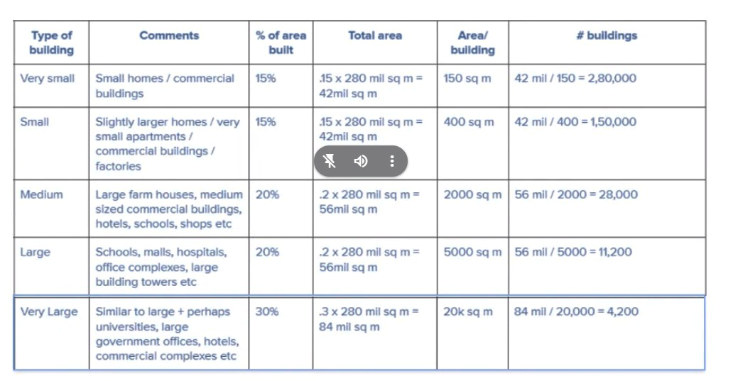
2023-08-12 | Guesstimates

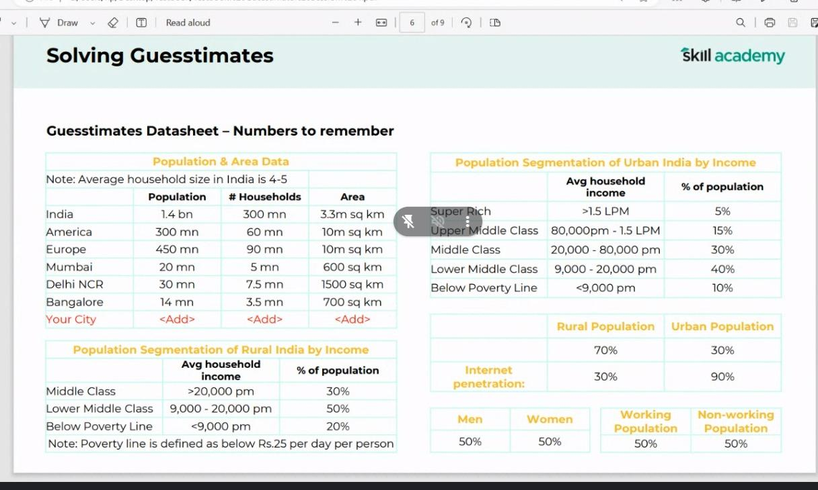
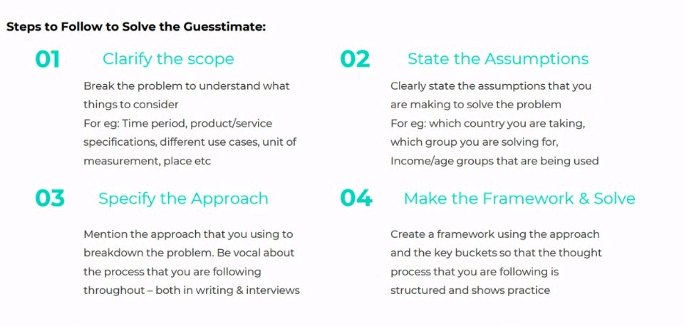
Q1. | What is the no of windows present in your city?

Ans.
Given
My City | Mumbai
Households (m) | 5

Approach | Bottle neck

Index |  |  |  |  | Households
BPL | Below povery line |  |  |  | 5000000
LMC | Lower middle class |  | BPL | LMC | MC | UMC | SR | Segmentation
MC | Middle class |  | 0.10 | 0.40 | 0.30 | 0.15 | 0.05 | % households
UMC | Upper middle class |  | 500000.00 | 2000000.00 | 1500000.00 | 750000.00 | 250000.00 | No of Households
SR | Super rich |  | 0 | 1 | 2 | 5 | 10 | BHk of house
 |  |  | 2 | 4 | 6 | 12 | 22 | Window per Pusehold
Assumptions |  |  | 1000000 | 8000000 | 9000000 | 9000000 | 5500000 | No of window per category
Each bedroom will have attached bathroom |  |  |  |  |  |  | 32500000 | Total no of windows
Each room & bathroom will have a bathroom
BPL people can afford a single room.

 | The total estimated number of windows in my city; Mumbai would be 32500000

Q2. | What is the no of Buildings in your city?

Ans.
Given
My City | Mumbai
Area (Sq Km) | 600

Approach | Bottle neck
 |  |  | Area (sq meter )
 |  |  | 600000000

 | Non Occupied (% & sq m)) |  |  |  | Occupied (% & sq m)
 | 0.40 |  |  |  | 0.60
 | 240000000 |  |  |  | 360000000

Parks, Road, Open area, Slum |  |  |  |  | Building Sizes

 |  |  | Very small | Small | Medium | Large | Very Large
 |  |  | 0.15 | 0.15 | 0.20 | 0.20 | 0.30 | % area used (assumed)
 |  |  | 54000000 | 54000000 | 72000000 | 72000000 | 108000000 | sq m area used
 |  |  | 150 | 400 | 200 | 5000 | 20000 | area per building (sq m)
 |  |  | 360000 | 135000 | 360000 | 14400 | 5400 | No of biuldings
 |  |  |  |  |  |  | 874800 | Total no of Buildings

 | Total no buildings in my city; Mumbai would be around 874800.

Q3. | Number of students in a school?

Ans.
Given
City | Mumbai
Population | 20000000

Approach | Household
 |  |  |  |  | Population
Assumptions |  |  |  |  | 20000000
No of schools in Mumbai |  | 500
Till which class (non working population) |  | 12
Place |  | Mumbai |  | Working |  |  | Not- working
 |  |  |  | 0.50 |  |  | 0.50
 |  |  |  | 10000000 |  |  | 10000000

 |  |  |  |  |  | Old age |  | Young age |  |  |  |  | Need to discuss
 |  |  |  |  |  | 0.50 |  | 0.50
 |  |  |  |  |  | 5000000 |  | 5000000

 |  |  |  |  |  |  | Infant |  | Teenage
 |  |  |  |  |  |  | 0.30 |  | 0.70
 |  |  |  |  |  |  | 1500000 |  | 3500000

 |  |  |  |  |  |  |  | Don’t go to school (BPL, drop) |  | School going
 |  |  |  |  |  |  |  | 0.3 |  | 0.7
 |  |  |  |  |  |  |  | 1050000 |  | 2450000

 |  |  |  |  |  |  |  |  |  | No of schools
 |  |  |  |  |  |  |  |  |  | 500

 |  |  |  |  |  |  |  |  |  | students in a school
 |  |  |  |  |  |  |  |  |  | 4900

 | The total estimated number of students in a school is 4900

Q3. | Number of students in a school?

Ans.
Given
City | Mumbai
Population | 20000000

Approach | Household
 |  |  |  |  | Population
Assumptions |  |  |  |  | 20000000
No of schools in Mumbai |  | 500
Till which class (non working population) |  | 12
Place |  | Mumbai |  | Working |  |  | Not- working
 |  |  |  | 0.50 |  |  | 0.50
 |  |  |  | 10000000 |  |  | 10000000

 |  |  |  |  |  | Old age |  | Young age |  |  |  |  | Need to discuss
 |  |  |  |  |  | 0.50 |  | 0.50
 |  |  |  |  |  | 5000000 |  | 5000000

 |  |  |  |  |  |  | Infant |  | Teenage
 |  |  |  |  |  |  | 0.30 |  | 0.70
 |  |  |  |  |  |  | 1500000 |  | 3500000

 |  |  |  |  |  |  |  | Don’t go to school (BPL, drop) |  | School going
 |  |  |  |  |  |  |  | 0.3 |  | 0.7
 |  |  |  |  |  |  |  | 1050000 |  | 2450000

 |  |  |  |  |  |  |  |  |  | No of schools
 |  |  |  |  |  |  |  |  |  | 500

 |  |  |  |  |  |  |  |  |  | students in a school
 |  |  |  |  |  |  |  |  |  | 4900

 | The total estimated number of students in a school is 4900

Q4. | What is no of Burgers sold in your city?
Ans.

Clarification Q |  | Ans
Duration |  | 1 day
Which outlet out of 10. |  | All 10

Approach
Type | Bottle neck

Assumptions
No of Outlets |  | 10
Hourly burger serving Capacity |  | 12
Operational hours |  | 12

During | No of Hr | % Efficient
Morning | 3 | 0.50
afternoon | 3 | 0.60
Evening | 6 | 1.00

 |  | Burgurs sold

 |  | Morning | Afternoon | Evening
No of outlets |  | 10 | 10 | 10
Hourly Burger serving capacity |  | 12 | 12 | 12
Operational hour |  | 3 | 3 | 6
% Efficiency |  | 0.50 | 0.60 | 1.00
No of burgers sold |  | 180 | 216 | 720
Total |  |  |  | 1116

 | Total Burgers sold in my city; Delhi would be 1116.

Q5. | Number of Iphones sold in my city?

Ans.
Given
City | Mumbai
Population | 20000000

Approach | Population

Assumptions
Mostly rich people buy It
 |  |  |  |  |  |  |  |  |  |  | Need to discuss time duration
 |  |  |  |  | Population
 |  |  |  |  | 20000000
 |  |  | BPL | LMC | MC | UMC | SR | Segmentation
 |  |  | 0.10 | 0.40 | 0.30 | 0.15 | 0.05 | % Population
 |  |  | 2000000 | 8000000 | 6000000 | 3000000 | 1000000 | No of people
 |  |  | 0 | 0.1 | 0.2 | 0.7 | 1 | Affordibility
 |  |  | 0 | 800000 | 1200000 | 2100000 | 1000000 | No of people afford it
 |  |  | 0 | 0.3 | 0.5 | 0.6 | 0.8 | % choose it
 |  |  | 0 | 240000 | 600000 | 1260000 | 800000 | No of people choose it
 |  |  |  |  |  |  | 2900000 | Sold

 | The total estimated number of Iphones sold in Mumbai would be 2900000

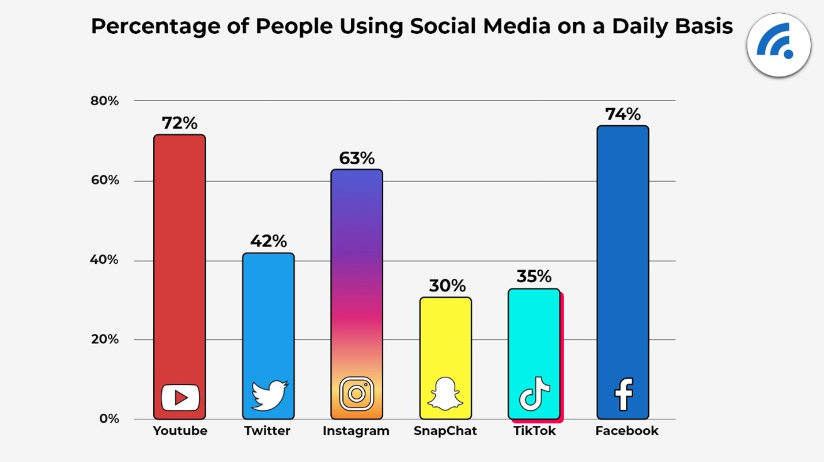
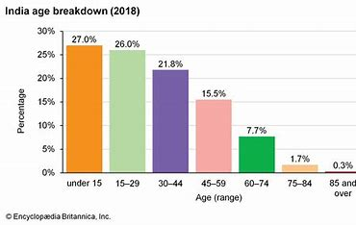

Q6. | Number of people who upload videos on instagram?

Ans.
Given
City | Mumbai
Population | 20000000

Approach | Population
 |  |  |  |  | Population
Assumptions |  |  |  |  | 20000000
As age increases less active

 |  |  |  |  | Internet penetration (90%)
 |  |  |  |  | 18000000

 |  |  |  | Under 15 | 15-29 | 30 to 59 | Over 60
 |  |  |  | 0.30 | 0.25 | 0.35 | 0.10
 |  |  |  | 5400000 | 4500000 | 6300000 | 1800000
 |  |  |  | 3240000 | 2700000 | 3780000 | 1080000 | 60% likely to use insta
 |  |  |  | 0.5 | 0.5 | 0.3 | 0.2 | Prone to uploading videos
 |  |  |  | 1620000 | 1350000 | 1134000 | 216000 | Population uploading videos.
 |  |  |  |  |  |  | 4320000 | Total

 |  |  |  |  |  |  |  |  |  |  |  | Need to discuss prone to uploading approach
 | The total estimated number of people who upload videos on instagram is 4320000

Q7. | Number of people who would watch cricket world cup 2023?

Clarification Q |  | Ans
By visiting stadium |  | yes
Is match at 1 stadium? |  | Yes

Approach | Bottle neck

Assumptions
no of stadiums functional |  | 1
Seating capacity of stadium |  | 5000

 |  |  |  | Total seats
 |  |  |  | 5000.00

 |  |  | VIP | Special | Economical
 |  |  | 0.2 | 0.2 | 0.6 | % alloted
 |  |  | 1000 | 1000 | 3000 | seats alloted
 |  |  | 0.7 | 0.7 | 0.8 | Utility
 |  |  | 700 | 700 | 2400 | utilised
 |  |  |  |  | 3800 | Total

 | The total estimated number of people who watch cricket world cup 2023 is 3800

Q8. | Number of flights take off from Delhi airport?
Ans.

Clarification Q |  | Ans
No of runways |  | 3
Operational hours |  | 20

Approach | Bottle neck

Assumptions
Runway used to take off |  | 1.5
Runway used to land |  | 1.5
Runways hourly take off capacity |  | 12

Efficient | No of Hr | % Efficient
High | 8 | 0.70
Super | 6 | 1.00
Medium | 6 | 0.50

 |  | Efficient

 |  | High | Super | medium
No of runways |  | 1.5 | 1.5 | 1.5
Runways hourly take off capacity |  | 12 | 12 | 12
Operational hour |  | 8 | 6 | 6
% Efficiency |  | 0.70 | 1.00 | 0.50
No of burgers sold |  | 100.8 | 108 | 54
Total |  |  |  | 263

 | 263 flights take off from Delhi airport.

